Sheet1
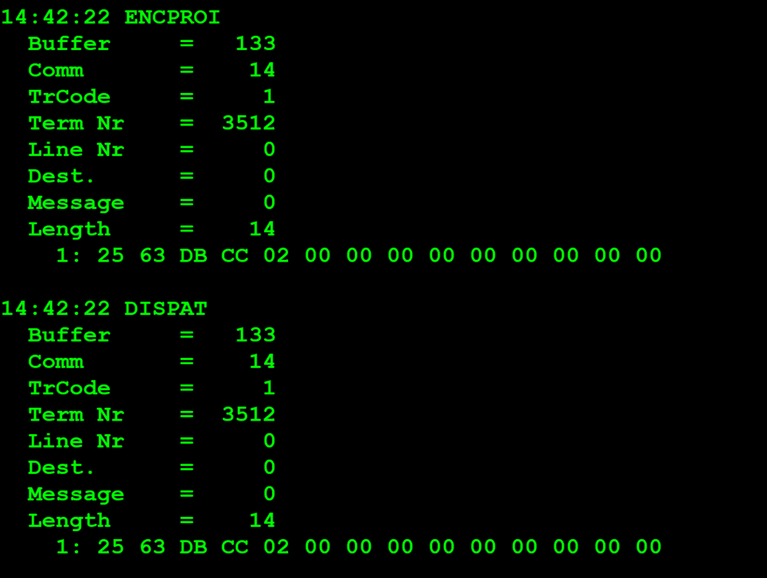
 | TestByte |  | Size | Field Contents |  | Hex | Bin | Dec
 | Start | End
 | 1 | 1 | 1 | Control | Sequence | 25 | Control=0010 Sequence=0101 | 2 5 | Control -> x10 - Application Message Sequence ->5
 | 2 | 2 | 1 | Type = 6 | Subtype = (1-9) | 63 | Type=0011 Subtype=0000 | Type=6 Subtype=3 | Type = 6 (report) Subtype = 3 (Financial)
 | 3 | 4 | 2 | Checksum |  | DB CC
 | 5 | 5 | 1 | Class = Based on Subtype |  | 02 |  | 2 | Online Sales
 | 6 | 6 | 1 | Subclass = Based on Subtype |  | 00 |  | 0 | Today
 | 7 | 7+n | n | See variations below

 | For all Financial Reports including Invoice Report:
 |  | 7 | 7 | 1 | Report Type | 00 |  | 0 | Regular (Reg,AFT, Con or Priv)
 |  | 8 | 9 | 2 | Report Pass number | 00 00 |  | 0 | (descontinuado ou nunca usado)
 |  | 10 | 13 | 4 | Agent number to report on | 00 00 00 00 |  | 0 | Não é um terminal previligeado logo não envia o agent number vai por defaul a 0 só quando terminal previligeado é que envia o agent num
 |  | 14 | 14 | 1 | Segment number | 00 |  | 0 | não excedeu o tamanho máximo da mensagem (caso excedeu-se tinha que ler a proxima mensagem)

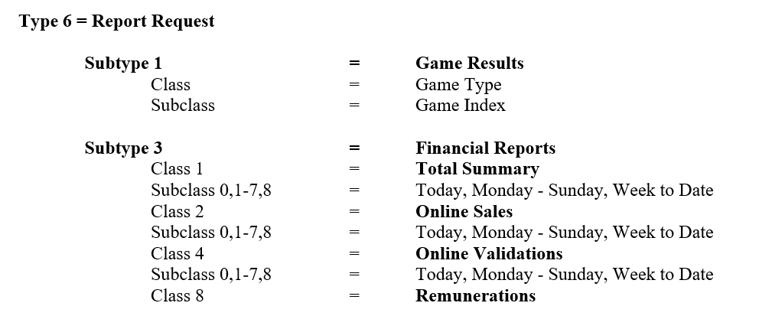

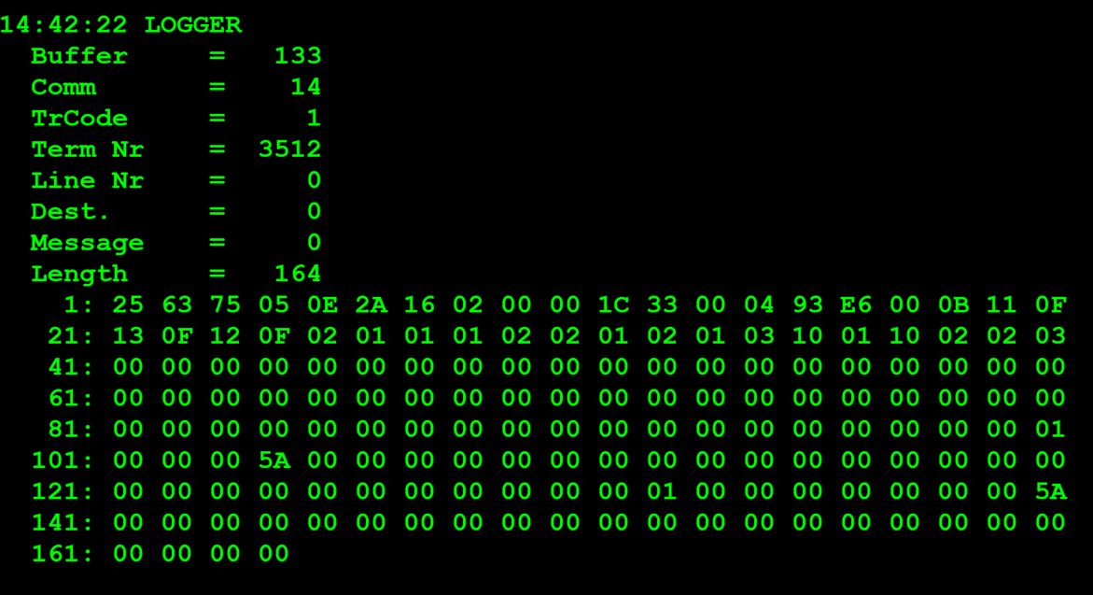
 | TestByte |  | Size | Field Contents |  | Hex | Bin | Dec
 | Start | End
 | 1 | 1 | 1 | Control | Sequence | 25 | Control=0010 Sequence=0101 | 2 5 | Control -> x10 - Application Message Sequence ->5
 | 2 | 2 | 1 | Type = 6 | Subtype = 3 | 63 | Type=0011 Subtype=0000 | Type=6 Subtype=3 | Type = 6 (report) Subtype = 3 (Financial)
 | 3 | 4 | 2 | Checksum |  | 75 05
 | 5 | 7 | 3 | Time |  | 0E 2A 16 |  | (14:42:22) | HH:MM:SS (14:42:22)
 | 8 | 8 | 1 | Class = 2 |  | 02 |  | 2 | Online Sales
 | 9 | 9 | 1 | Subclass = 0-8 |  | 00 |  | 0 | Today
 | 10 | 10 | 1 | Report Type |  | 00 |  | 0 | Regular (Reg,AFT, Con or Priv)
 | 11 | 12 | 2 | CDC Date |  | 1C 33 |  |  | 7219
 | 13 | 16 | 4 | Agent Number |  | 00 04 93 E6 |  | 300006 | 0300006
 | 17 | 17 | 1 | Options byte |  | 00 |  | 0 | 0
 | 18 | 18 | 1 | Number of games sent (n) |  | 0B |  | 11 | 11 (confirmado na tabela é ignorado o joker)
*** | 19 | 20 | 2 | Euromilhões (Game Type -1 byte & Game Index -1 byte) |  | Game Type=11 Game Index=0F |  | Game Type=17 Game Index=15 | Type=17 (Euromilhões) Game Index=15(pois não têm dados)
 | 21 | 22 | 2 | M1lhão (Game Type -1 byte & Game Index -1 byte) |  | Game Type=13 Game Index=0F |  | Game Type=19 Game Index=15 | Type=19 (M1lhão) Game Index=15(pois não têm dados)
 | 23 | 24 | 2 | Placard (Game Type -1 byte & Game Index -1 byte) |  | Game Type=12 Game Index=0F |  | Game Type=17 Game Index=18 | Type=19 (M1lhão) Game Index=18(pois não têm dados) |  | # | Game Name | Game Type | Game Index
 | 25 | 26 | 2 | Totobola Normal (Game Type -1 byte & Game Index -1 byte) |  | Game Type=02 Game Index=01 |  | Game Type=2 Game Index=1 | Type=2 (Totobola Normal) Game Index=1 |  | 1 | Euromilhões (*) | 17 | 1 | Quando não existe dados o Game Index fica com o valor máximo do nible que é F que corresponde 15 decimal isso aconte-se para sistemas externos por exemplo Euromilhoes, IGS e IPS que não se activou a ligação
 | 27 | 28 | 2 | Totoloto (Game Type -1 byte & Game Index -1 byte) |  | Game Type=01 Game Index=01 |  | Game Type=1 Game Index=1 | Type=1 (Totoloto) Game Index=1 |  | 2 | M1lhão (*) | 19 | 2
 | 29 | 30 | 2 | Totobola Extra 2 (Game Type -1 byte & Game Index -1 byte) |  | Game Type=02 Game Index=02 |  | Game Type=2 Game Index=2 | Type=1 (Totobola Extra 2) Game Index=1 |  | 3 | Placard (*) | 18 | 1
 | 31 | 32 | 2 | Loto2 (Game Type -1 byte & Game Index -1 byte) |  | Game Type=01 Game Index=02 |  | Game Type=1 Game Index=2 | Type=1 (Loto2) Game Index=2 |  | 4 | Totobola Normal | 2 | 1
 | 33 | 34 | 2 | Totoloto Sábado (Totoloto Quarta included) (Game Type -1 byte & Game Index -1 byte) |  | Game Type=01 Game Index=03 |  | Game Type=1 Game Index=3 | Type=1 (Totoloto Sábado/Quarta) Game Index=3 |  | 5 | Totoloto | 1 | 1
 | 35 | 36 | 2 | Lotaria Clássica (Game Type -1 byte & Game Index -1 byte) |  | Game Type=10 Game Index=01 |  | Game Type=16 Game Index=1 | Type=16 (Lotaria Clássica) Game Index=1 |  | 6 | Totobola Extra 2 | 2 | 2
 | 37 | 38 | 2 | Lotaria Popular (Game Type -1 byte & Game Index -1 byte) |  | Game Type=10 Game Index=02 |  | Game Type=16 Game Index=2 | Type=16 (Lotaria Popular) Game Index=2 |  | 7 | Loto2 | 1 | 2
 | 39 | 40 | 2 | Totobola Extra 1 (Game Type -1 byte & Game Index -1 byte) |  | Game Type=02 Game Index=03 |  | Game Type=16 Game Index=1 | Type=2 (Totobola Extra 1) Game Index=3 |  | 8 | Joker | 4 | 1
 | 41 | 44 | 4 | Net Sales Count for Euromilhões |  | 00 00 00 00 |  | 0 |  |  | 9 | Totoloto Sábado (Totoloto Quarta included) | 1 | 3
 | 45 | 48 | 4 | Net Sales Amount for Euromilhões |  | 00 00 00 00 |  | 0 |  |  | 10 | Lotaria Clássica | 16 | 1
 | 49 | 52 | 4 | Net Sales Count for M1lhão |  | 00 00 00 00 |  | 0 |  |  | 11 | Lotaria Popular | 16 | 2
 | 53 | 56 | 4 | Net Sales Amount for M1lhão |  | 00 00 00 00 |  | 0 |  |  | 12 | Totobola Extra 1 | 2 | 3
 | 57 | 60 | 4 | Net Sales Count for Placard |  | 00 00 00 00 |  | 0
 | 61 | 64 | 4 | Net Sales Amount for Placard |  | 00 00 00 00 |  | 0 |  | ***
 | 65 | 68 | 4 | Net Sales Count for Totobola Normal |  | 00 00 00 00 |  | 0
 | 69 | 72 | 4 | Net Sales Amount for Totobola Normal |  | 00 00 00 00 |  | 0 |  |  | 4 | Net Sales Count for Game
 | 73 | 76 | 4 | Net Sales Count for Totoloto |  | 00 00 00 00 |  | 0 |  |  | 4 | Net Sales Amount for game (Wager units-sales-cancels)
 | 77 | 80 | 4 | Net Sales Amount for Totoloto |  | 00 00 00 00 |  | 0
 | 81 | 84 | 4 | Net Sales Count for Totobola Extra 2 |  | 00 00 00 00 |  | 0 |  |  | Next 4 bytes | Total Sales Count
 | 85 | 88 | 4 | Net Sales Amount for Totobola Extra 2 |  | 00 00 00 00 |  | 0 |  |  | Next 8 bytes | Total Sales Amount (I8 wager units)
 | 89 | 92 | 4 | Net Sales Count for Loto2 |  | 00 00 00 00 |  | 0
 | 93 | 96 | 4 | Net Sales Amount for Loto2 |  | 00 00 00 00 |  | 0 |  |  | Next 4 | Return Count for Passive 1
 | 97 | 100 | 4 | Net Sales Count for Totoloto Sábado (Totoloto Quarta included) |  | 01 |  | 1 | só uma aposta |  | Next 4 | Return Amount for Passive 1
 | 101 | 104 | 4 | Net Sales Amount for Totoloto Sábado (Totoloto Quarta included) |  | 5A |  | 90 | valor da aposta 90 centimos |  | Next 4 | Return Count for Passive 2
 | 105 | 108 | 4 | Net Sales Count for Lotaria Clássica |  | 00 00 00 00 |  | 0 |  |  | Next 4 | Return Amount for Passive 2
 | 109 | 112 | 4 | Net Sales Amount for Lotaria Clássica |  | 00 00 00 00 |  | 0
 | 113 | 116 | 4 | Net Sales Count for Lotaria Popular |  | 00 00 00 00 |  | 0 |  |  | Next 4 | Total Return Count
 | 117 | 120 | 4 | Net Sales Amount for Lotaria Popular |  | 00 00 00 00 |  | 0 |  |  | Next 4 | Total Return Amount
 | 121 | 124 | 4 | Net Sales Count for Totobola Extra 1 |  | 00 00 00 00 |  | 0
 | 125 | 128 | 4 | Net Sales Amount for Totobola Extra 1 |  | 00 00 00 00 |  | 0
 | 129 | 132 | 4 | Total Sales Count |  | 00 00 00 01 |  | 1 | Total de vendas para todos os jogos foi 1
 | 133 | 140 | 8 | Total Sales Amount (I8 wager units) |  | 00 00 00 00 00 00 00 5A |  | 90 | Total de montante de vendas para todos os jogos foi 90 centimos
 | 141 | 144 | 4 | Return Count for Passive 1 |  | 00 00 00 00 |  | 0
 | 145 | 148 | 4 | Return Amount for Passive 1 |  | 00 00 00 00 |  | 0
 | 149 | 152 | 4 | Return Count for Passive 2 |  | 00 00 00 00 |  | 0
 | 153 | 156 | 4 | Return Amount for Passive 2 |  | 00 00 00 00 |  | 0
 | 157 | 160 | 4 | Total Return Count |  | 00 00 00 00 |  | 0
 | 161 | 164 | 4 | Total Return Amount |  | 00 00 00 00 |  | 0

